Completion Instructions
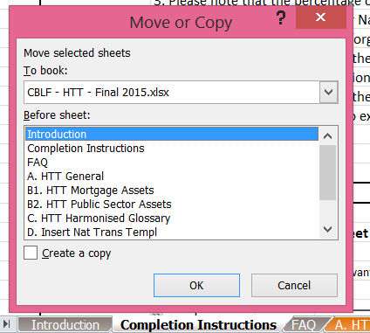
 |  | Completion Instructions

 |  | Please delete this tab once you have completed this file

1. Please complete all the cells that include "[For completion]" and "[Mark as ND if not relevant]"
2. The "[For completion]" or "[Mark as ND if not relevant]" cells could be filled with:
 | 2.A Numbers: Please insert the appropriate data
 | 2.B Letters: Please insert either No Data (ND)
 | (i) ND1: Please complete the cell with ND1 when the information is not applicable for the jurisdiction
 | (ii) ND2: Please complete the cell with ND2 when the information is not relevant for the issuer and/or CB programme at the present time
 | (iii) ND3: Please complete the cell with ND3 when the information is not available at the present time
3. Please note that the percentage cells will be automatically completed by the spreadsheet.
4. Should you wish to insert your National Transparency Template worksheet(s) in the HTT, please follow our instructions in the box below.
 | Please do not forget to change the name of the worksheet in order to be consistent with the numbering of the existing ones (starting with D.).
 | Please update the Introduction Tab accordingly.
5. Please delete tab D (Insert National Transparency Template) and the example tabs if unused.
 | Please update the introduction Tab accordingly.
6. Should you make references to external documents or cells in this document, please insert the hyperlink.

How to import an excel worksheet

1. Click on the tab of the worksheet you want to import |  |  | 3. Select the excel file where you want to transfer your worksheet from the dropdown menu
2. Select "Move or Copy" |  |  | 4. In the box Before Sheet, please select "(move to end)"
3 |  |  | 5. Do not forget to tick the "Create a copy" box and press ok

Frontpage
ECBC Label Template for Danish Issuers
2016

Information on frontpage:
Issuer: Nordea Kredit Realkreditaktieselskab
Issuer type: Specialized mortgage bank
Cover pool: Capital Centre 1
Cover pool setup: Single cover pool
Link to cover pool IR website: http://www.nordea.dk/Privat/Lån/Bolig/Investor+information/956482.html
Homepage: nordeakredit.dk
Format of transparency template: Excel
Frequency of updates: Quarterly
Published [date]
Data per 2016-03-31

Contents
ECBC Label Template : Contents

As of | 31. March 2016

Specialised finance institutes
General Issuer Detail
A | General Issuer Detail

Cover Pool Information
G1.1 | General cover pool information
G2 | Outstanding CBs
G2.1a-f | Cover assets and maturity structure
G2.2 | Interest and currency risk
G3 | Legal ALM (balance principle) adherence
G4 | Additional characteristics of ALM business model for issued CBs

M1/B1 | Number of loans by property category
M2/B2 | Lending by property category, DKKbn
M3/B3 | Lending, by loan size, DKKbn
M4a/B4a | Lending, by-loan to-value (LTV), current property value, DKKbn
M4b/B4b | Lending, by-loan to-value (LTV), current property value, Per cent
M4c/B4c | Lending, by-loan to-value (LTV), current property value, DKKbn ("Sidste krone")
M4d/B4d | Lending, by-loan to-value (LTV), current property value, Per cent ("Sidste krone")
M5/B5 | Lending by region, DKKbn
M6/B6 | Lending by loan type - IO Loans, DKKbn
M7/B7 | Lending by loan type - Repayment Loans / Amortizing Loans, DKKbn
M8/B8 | Lending by loan type - All loans, DKKbn
M9/B9 | Lending by Seasoning, DKKbn (Seasoning defined by duration of customer relationship)
M10/B10 | Lending by remaining maturity, DKKbn
M11/B11 | 90 day Non-performing loans by property type, as percentage of instalments payments, %
M11a/B11a | 90 day Non-performing loans by property type, as percentage of lending, %
M11b/B11b | 90 day Non-performing loans by property type, as percentage of lending, by continous LTV bracket, %
M12/B12 | Realised losses (DKKm)
M12a/B12a | Realised losses (%)

Key Concepts
X1 | Key Concepts Explanation
X2 | Key Concepts Explanation
X3 | General explanation

This transparency template is compliant with the requirements in CRR 129(7) and is used with ECBC labelled covered bonds issues by the three issuer categories below.
Mandatory tables
Please note that not all tables are applicable to each issuer type and that some information is optional. Information on applicability is given below and where relevant in connection with the tables in the template.
Specialised mortgage banks
Tables A, G1.1, G2-4, M1-M12, X1-3
Ship finance institutes
Tables A, G1.1, G2-4, S1-S13, X1-3
Non-specialised bank CBs issuers
Tables G1.1 (except totall capital covarage), G2-4, B1-B1, X1-3
Voluntary tables
The issuer can insert voluntary tables that contain information in addition to what is contained in the Danish ECBC label tamplate. It shall be possible to distinquish mandatory an voluntory tables.
The voluntary tables must be named V1....Vn, where n is the number af voluntary tables.
Voluntary tables must be maked with a colur different from the colour used forrthe mandatory talbles in the Danish ECBC label tamplate.

