Rating, market risk - Heading 1
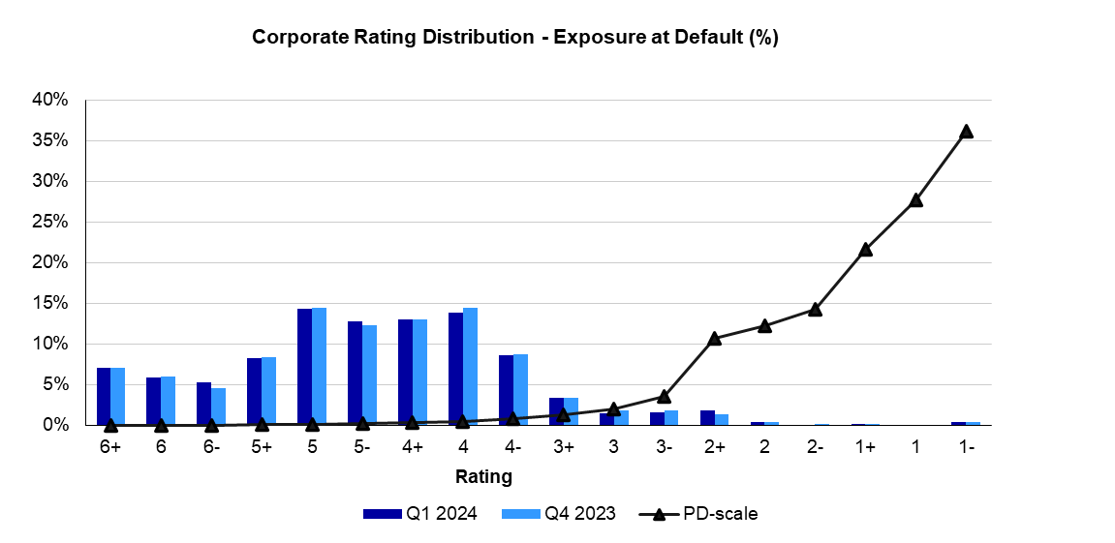
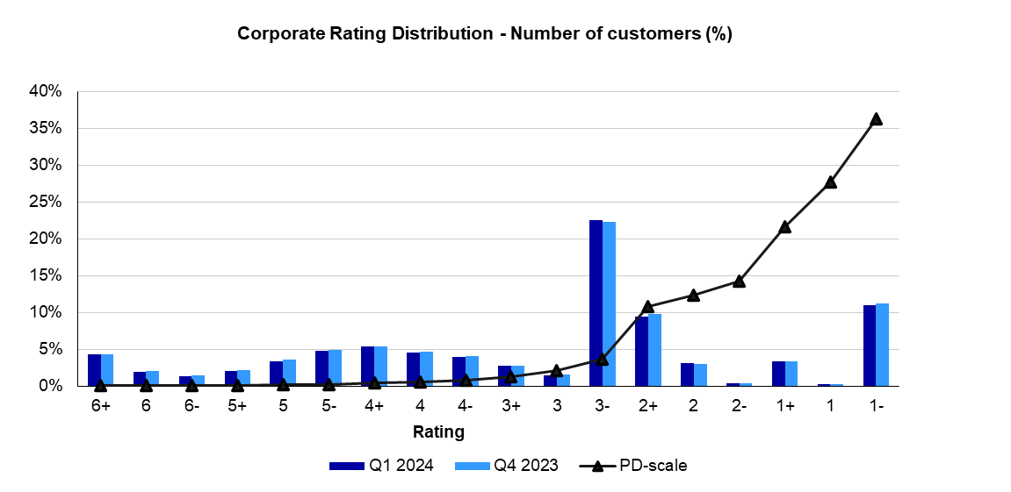
RISK, LIQUIDITY AND CAPITAL MANAGEMENT
Rating distribution
Corporate rating distribution
Q124

Rating, market risk - Heading 2
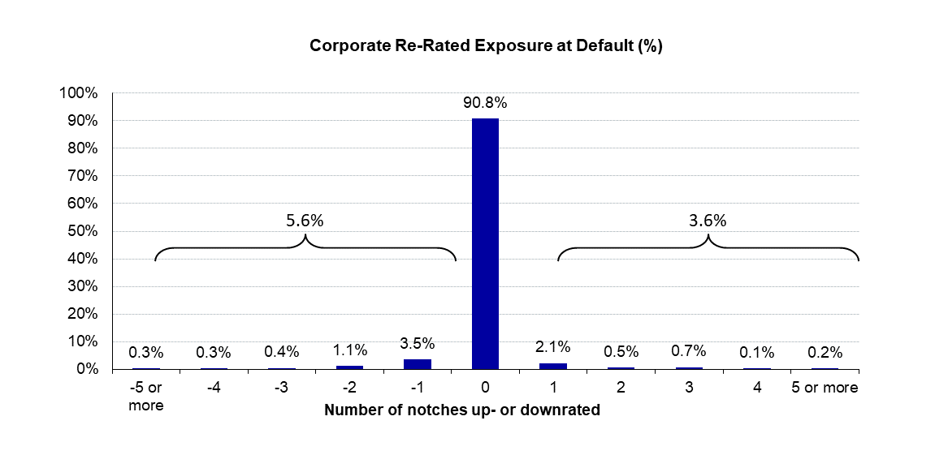
Corporate rating migration
Q124

Short-term funding - Heading 1
RISK, LIQUIDITY AND CAPITAL MANAGEMENT
Short-term funding
Diversification of Short-term funding programs

Outstanding volume of short-term funding EUR 43.2bn
Q124

ECP | 2.9132472595
London CD | 18.0479228
French CP | 0.020067633064
NY CD | 13.91028538
US CP | 8.3550134755

